Plan1
Table 1 – Definition of centrality measures

Centrality measures | Description / definition | Example
Degree Centrality | Based on the number of ties connecting a network actor directly to other actors. The analysis made by measuring the number of connections that an actor has within the group. | 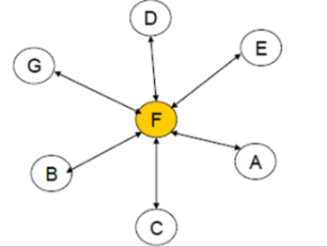 "F" connects to all other actors in the network, so it has high degree centrality (100%)
Closeness centrality | Based on the proximity or "geodesic" of an actor from the other actors in a network. Calculated from the minimum number of connections that an actor needs to travel to access any other point in the network. | 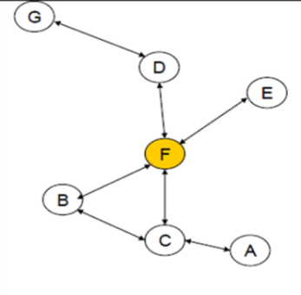 "F" is a central actor in the network, so that its total geodesic from all other points on the network is smaller than that of other actors. "F" has high closeness centrality.
Betweenness centrality | Based on the ability of a given actor to connect with multiple actors who do not connect directly and act as an intermediary of interactions of these non-adjacent actors. | "F" mediates between "B" and "E", actors that would be disconnected in the absence of "F".

Source: Prepared by the authors from Borgatti, Everett and Freeman (2002); Rossoni and Hocayen-da-Silva (2008); Giuliani and Pietrobelli (2011).

